Sheet2
GenderCode | (All)
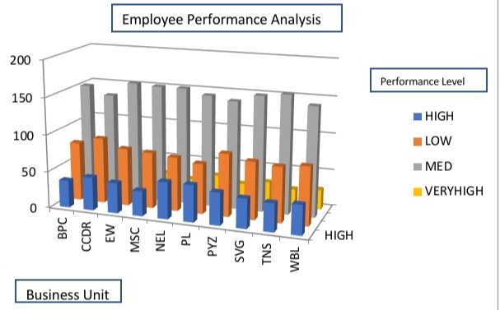
Count of FirstName | Column Labels
Row Labels | HIGH | LOW | MED | VERYHIGH | Grand Total
BPC | 37 | 80 | 152 | 34 | 303
CCDR | 45 | 89 | 141 | 25 | 300
EW | 41 | 78 | 160 | 23 | 302
MSC | 34 | 76 | 158 | 28 | 296
NEL | 50 | 73 | 158 | 23 | 304
PL | 50 | 68 | 151 | 32 | 301
PYZ | 44 | 85 | 146 | 24 | 299
SVG | 40 | 78 | 156 | 30 | 304
TNS | 38 | 75 | 160 | 24 | 297
WBL | 40 | 79 | 148 | 27 | 294
Grand Total | 419 | 781 | 1530 | 270 | 3000

